Table 1

Selected Acquisition Report (SAR)
RCS: DD-A&T(Q&A)823-326

Wideband Global SATCOM (WGS)
As of FY 2017 President's Budget
Defense Acquisition Management Information Retrieval
(DAMIR)

Table 29
Unit Cost History
Item |  |  |  |  |  |  |  | Date |  |  |  | BY 2010 $M |  |  |  |  |  | TY $M
 |  |  |  |  |  |  |  |  |  |  |  | PAUC |  | APUC |  |  |  | PAUC |  |  |  | APUC

Original APB |  |  |  |  | Dec 2000 |  |  |  |  |  |  | 387.400 |  |  | 317.933 |  |  |  | 347.500 |  |  |  | 287.900
APB as of January 2006 |  |  |  |  | Feb 2004 |  |  |  |  |  |  | 390.600 |  |  | 314.300 |  |  |  | 353.420 |  |  |  | 286.480
Revised Original APB |  |  |  |  | Aug 2010 |  |  |  |  |  |  | 515.800 |  |  | 456.200 |  |  |  | 505.671 |  |  |  | 451.286
Prior APB |  |  |  |  | Aug 2010 |  |  |  |  |  |  | 515.800 |  |  | 456.200 |  |  |  | 505.671 |  |  |  | 451.286
Current APB |  |  |  |  | Mar 2014 |  |  |  |  |  |  | 515.800 |  |  | 456.200 |  |  |  | 505.671 |  |  |  | 451.286
Prior Annual SAR |  |  |  |  | Dec 2014 |  |  |  |  |  |  | 466.062 |  |  | 410.525 |  |  |  | 460.488 |  |  |  | 409.288
Current Estimate |  |  |  |  | Dec 2015 |  |  |  |  |  |  | 478.912 |  |  | 423.362 |  |  |  | 475.238 |  |  |  | 424.038
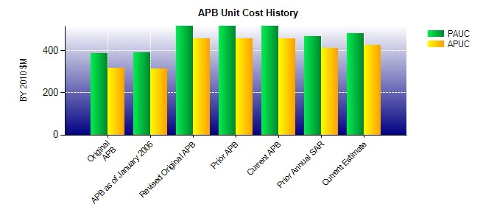
SAR Unit Cost History
Initial SAR Baseline to Current SAR Baseline (TY $M)
Initial PAUC Development Estimate | Changes |  |  |  |  |  |  |  |  |  |  |  |  |  |  |  |  |  |  |  | PAUC Production Estimate
 | Econ |  | Qty |  |  | Sch |  |  | Eng |  | Est |  | Oth |  |  | Spt |  | Total
347.500 3.214 74.201 0.000 19.057 64.585 0.000 -2.886 158.171 505.671
Current SAR Baseline to Current Estimate (TY $M)
PAUC Production Estimate |  | Changes |  |  |  |  |  |  |  |  |  |  |  |  |  |  |  |  |  | PAUC Current Estimate
 |  | Econ |  | Qty |  |  | Sch |  |  | Eng | Est |  | Oth |  | Spt |  | Total
505.671 2.688 -12.370 0.000 18.262 -38.975 0.000 -0.038 -30.433 475.238

